Main Page
Main Page
 | PLC IP: | 192.168.0.10
 | NAME FOR PC: | HMI PC
 | S7 Connection | Connection1
 |  |  |  | *Machine Status*
 | Tag Name | Data Type | Address | Description | Status No. | Colour | Blinking
 | Machine_Status | Int | EM103 | Running | 1 | Green | No
 | Machine Speed | Int | %DB452.DBW10 | Idle | 2 | Blue | No
 | Production UPH | DInt | EM1254 | Not Init Done | 3 | Blue | No
 | Yield | DInt | EM1260 | Init | 4 | Blue | No
 | Machine Mode | Int | EM104 | Stop | 5 | Red | No
 | Machine_Name | String[40] | EM770 | Error | 6 | Red | Yes
 | Project_No | String[20] | EM950 | Warning | 7 | Yellow | Yes
 | Total Pass Foup | Dint | EM1759 | EMG | 8 | Red | No
 | Total Fail Foup | Dint | EM1761
 | Lot_Quantity | Dint | EM1561 | *Machine Mode *
 | Assembly Foup | Dint | EM1634 | Description | Status No. | Colour
 | Loaded Shell | Bool | R20000 | Production | 0 | Green
 | Loaded Side Column | Bool | EM5.12 | Engineering Mode | 1 | Blue
 | Loaded Shim & O-Ring | Bool | EM21.13 | Dry Run | 7 | Green

Machine Status
Machine Mode
Error
Warning
Machine UPH
Work Order ID
Recipe
Main
Machine name
project no
Software/program ver
Bypass Status
Total pass
Total fail
Lot Qty
Current Foup
Loaded shell
Loaded Side Column
Loaded Shim & Oring
Start
Stop
Reset
Side Column detected. Start Side Column assembly?
Start
 | Tag Name | Data Type | Address
 | HMI_Start | Bool | MR000
 | HMI_Stop | Bool | MR001
 | HMI_Reset | Bool | MR002

Error/Warning | Tag Name | Data Type | Address
 | Error_String | String[256] | EM201
 | Tmp_Error_String | String[256] | EM340
 | Warning_String | String[256] | EM480
 | Tmp_Warning_String | String[256] | EM630
 | No_Error | Bool | %DB450.DBX0.5

Program Version | Tag Name | Data Type | Address
 | PLC_Program_Version | String[26] | EM910
 | HMI_Program_Version | String[26] | EM930
 | Robot_Program_Version | String[26]
 | Vision_Program_Version | String[26] | %DB450.DBX1082.0

Machine Mode
 | Tag Name | Data Type | Address
 | Engineering Mode Bit | Bool | MR1000

IO Page
 | Tag Name | Data Type | Address
 | IO Page Bit | Bool | MR1300

Motor Page | Tag Name | Data Type | Address
 | Motor Page Bit | Bool | %MX3010.1

Module Status | Tag Name | Data Type | Address
 | Shell Loading Module | Int | EM140
 | Top Clamp Module | Int | EM141
 | Flipping Module | Int | EM142
 | Shim and O-Ring Alignment Module | Int | EM143
 | Side Column Module | Int | EM144
 | Vision Module | Int | EM145
 | UR Robot | Int | EM146

Screw Quantity | Tag Name | Data Type | Address
 | Bowl 2 Quantity | Int | EM14
 | Bowl 1 Quantity | Int | EM15
 | Bowl 2 Refill Quantity | Int | EM16
 | Bowl 1 Refill Quantity | Int | EM17

End

Prompt Window
Colours are just to indicate type of prompt windows, don't need to follow colour code. Feel free to change the layout and position of the prompt window to follow previous Entegris projects
 | Load A300 Shell, Handles

Machine Status
Error
Warning
Machine UPH
Work Order ID
Side Column detected. Start Side Column assembly?
 |  | Tag Name | Address | Data Type | R/W
 |  | HMI_Prompt_Load_Shell_Handle | MR1500 | Bool | Read
 |  | Info Message | EM3100 | String[100] | Read
Machine Mode
Recipe
Start
 | Load Conveyor Plate

Main
Machine name
project no
Start
 |  | Tag Name | Address | Data Type | R/W
 |  | HMI_Prompt_Load_Convyr_Plate | MR1501 | Bool | Read
 |  | Info Message | EM3160 | String[100] | Read

 | Load Side Column
Software/program ver
Stop
Bypass Status
 |  | Tag Name | Address | Data Type | R/W
 |  | HMI_Prompt_Load_Side_Col | MR1502 | Bool | Read
 |  | Info Message | EM3220 | String[100] | Read

Reset
 | Clamp Side Column
Total pass
Total fail
Lot Qty
Current Foup
Loaded shell
Loaded Side Column
Loaded Shim & Oring
 |  | Tag Name | Address | Data Type | R/W
 |  | HMI_Prompt_Clamp_Side_Col | MR1511 | Bool | Read
 |  | Start | MR1600 | Bool | Write
 |  | Info Message | EM3340 | String[100] | Read

 | Start Side Column Sequence

Prompt Window
 |  | Tag Name | Address | Data Type | R/W
 |  | HMI_Prompt_Start_Side_Col_Seq | MR1504 | Bool | Read
 |  | Start | MR1606 | Bool | Write
 |  | Info Message | EM3700 | String[100] | Read

 | Shim and O-Ring Check Failed

 |  | Tag Name | Address | Data Type | R/W
 |  | HMI_Prompt_Shim_Oring_Failed | MR1505 | Bool | Read
 |  | Retry | MR1602 | Bool | Write
Prompt Window:
Prompt Info Message
Prompt Window:
Remove
 |  | Remove | MR1601 | Bool | Write
Prompt Info Message
 |  | Info Message | EM3400 | String[254] | Read

Retry
 | Screw Failed

 |  | Tag Name | Address | Data Type | R/W
 |  | HMI_Prompt_Screw_Failed | MR1503 | Bool | Read
 |  | Retry | MR1603 | Bool | Write
 |  | Remove | MR1601 | Bool | Write
 |  | Info Message | EM3280 | String[254] | Read

 | Unload Shell

 |  | Tag Name | Address | Data Type | R/W
 |  | HMI_Prompt_Unload_Shell | MR1506 | Bool | Read
 |  | Info Message | EM3460 | String[100] | Read

 | Screw Feed Failed

 |  | Tag Name | Address | Data Type | R/W
 |  | HMI_Prompt_Screw_Feed_Failed | MR1507 | Bool | Read
 |  | HMI_Reply_Retry_Screw_Feed | MR1604 | Bool | Write
 |  | Remove | MR1601 | Bool | Write
 |  | Info Message | EM3520 | String[254] | Read

 | Remove AK Handle

 |  | Tag Name | Address | Data Type | R/W
 |  | HMI_Prompt_Remove_AKHandle | MR1508 | Bool | Read
 |  | Info Message | EM3580 | String[100] | Read

 | Refill 22mm Screw

 |  | Tag Name | Address | Data Type | R/W
 |  | HMI_Prompt_Refill_22mm_Screw | MR1509 | Bool | Read
 |  | Bowl2_Refill_Done | MR1608 | Bool | Write
 |  | Info Message | EM3820 | String[100] | Read

 | Refill 12mm Screw

 |  | Tag Name | Address | Data Type | R/W
 |  | HMI_Prompt_Refill_12mm_Screw | MR1510 | Bool | Read
 |  | Bowl1_Refill_Done | MR1605 | Bool | Write
 |  | Info Message | EM3640 | String[100] | Read

 | Load Side Handle Jig

 |  | Tag Name | Address | Data Type | R/W
 |  | HMI_Prompt_Load_Side_Handle_Jig | MR1512 | Bool | Read
 |  | Info Message | EM3760 | String[100] | Read

 | Shell Choice

 |  | Tag Name | Address | Data Type | R/W
 |  | HMI_Prompt_Shell_Choice | MR1513 | Bool | Read
 |  | New | MR4507 | Bool | Write
 |  | Rework | MR4508 | Bool | Write
 |  | Info Message | EM3880 | String[100] | Read

 | Rework Component

 |  | Tag Name | Address | Data Type | R/W
 |  | HMI_Prompt_Rework_Component | MR1514 | Bool | Read
 |  | Rework Conveyor Plate | MR4509 | Bool | Write
 |  | Rework Side Column | MR4510 | Bool | Write
 |  | Info Message | EM3940 | String[100] | Read

 | Remove Side Handle Jig

 |  | Tag Name | Address | Data Type | R/W
 |  | HMI_Prompt_Remove_SideHandle_Jig | MR1609 | Bool | Read
 |  | Info Message | EM4100 | String[100] | Read

 | Remove Side Column

 |  | Tag Name | Address | Data Type | R/W
 |  | HMI_Prompt_Remove_Side_Column | MR1610 | Bool | Read
 |  | Info Message | EM4160 | String[100] | Read

 | Jog Side Column Forward

 |  | Tag Name | Address | Data Type | R/W
 |  | HMI_Prompt_SCM_JogFoward | MR1611 | Bool | Read
 |  | Info Message | EM4260 | String[100] | Read

 | Jog Side Column Backward

 |  | Tag Name | Address | Data Type | R/W
 |  | HMI_Prompt_SCM_JogBackward | MR1612 | Bool | Read
 |  | Info Message | EM4360 | String[100] | Read

Foup Data
For Display at Main Page
1. Display Name and Colour for each location

Description | Status No. | Colour
N/A | 0 | Grey
Pass | 1 | Green
Fail | 2 | Red

Image No. | Address | Data Type | R/W
Inner Door | %M280.5 | Bool | Read
Outer Door | %M280.6 | Bool | Read

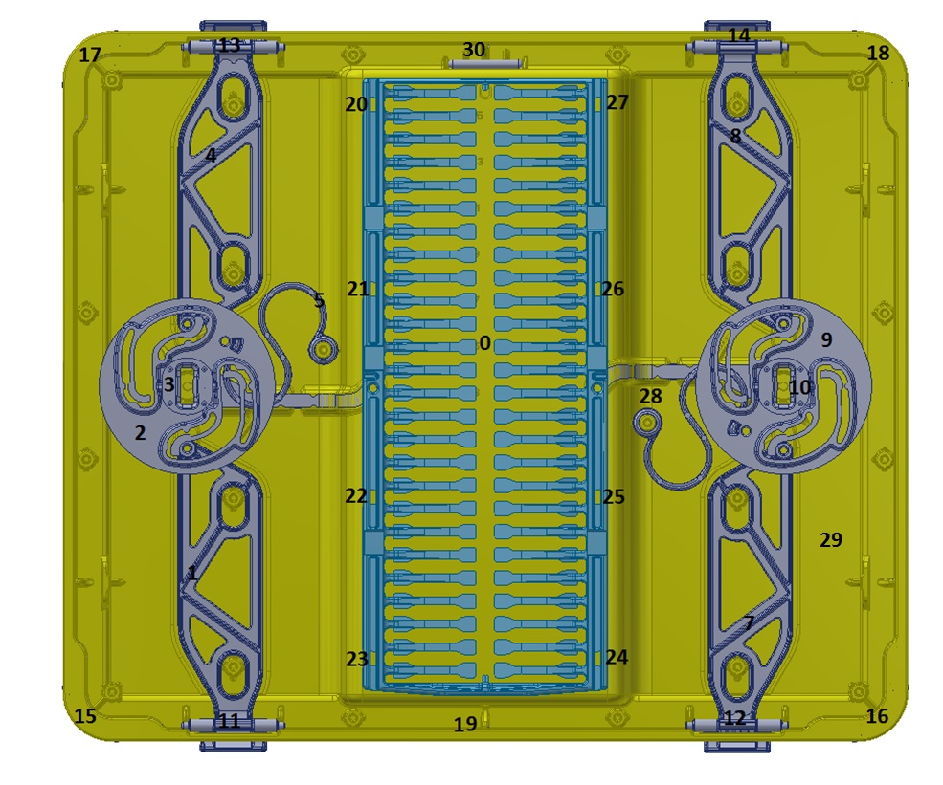
Inner Door
No. | Name | Address | DataType
0 | Top_Wafer | %DB460.DBW162 | Int
2 | Top_Cam#1 | %DB460.DBW164 | Int
9 | Top_Cam#2 | %DB460.DBW166 | Int
3 | Top_Hub#1 | %DB460.DBW168 | Int
3 | Distance_Value[1] | %DB460.DBD154 | Real
10 | Top_Hub#2 | %DB460.DBW170 | Int
10 | Distance_Value[2] | %DB460.DBD158 | Real
5 | Top_CamSpring#1 | %DB460.DBW172 | Int
28 | Top_CamSpring#2 | %DB460.DBW174 | Int
1 | Top_LatchArm#1 | %DB460.DBW176 | Int
4 | Top_LatchArm#2 | %DB460.DBW178 | Int
7 | Top_LatchArm#3 | %DB460.DBW180 | Int
8 | Top_LatchArm#4 | %DB460.DBW182 | Int
12 | Side_Latch[1] | %DB460.DBW194 | Int
12 | Top_Latch[1] | %DB460.DBW230 | Int
11 | Side_Latch[2] | %DB460.DBW196 | Int
11 | Top_Latch[2] | %DB460.DBW232 | Int
13 | Side_Latch[3] | %DB460.DBW198 | Int
13 | Top_Latch[3] | %DB460.DBW234 | Int
14 | Side_Latch[4] | %DB460.DBW200 | Int
14 | Top_Latch[4] | %DB460.DBW236 | Int
16 | Side_Corner[1] | %DB460.DBW204 | Int
15 | Side_Corner[2] | %DB460.DBW206 | Int
17 | Side_Corner[3] | %DB460.DBW208 | Int
18 | Side_Corner[4] | %DB460.DBW210 | Int
20 | Side_Wafer_Node[6] | %DB460.DBW224 | Int
21 | Side_Wafer_Node[5] | %DB460.DBW222 | Int
22 | Side_Wafer_Node[8] | %DB460.DBW228 | Int
23 | Side_Wafer_Node[7] | %DB460.DBW226 | Int
24 | Side_Wafer_Node[4] | %DB460.DBW220 | Int | *v1.0.5.1 change address and name
25 | Side_Wafer_Node[3] | %DB460.DBW218 | Int | *v1.0.5.1 change address and name
26 | Side_Wafer_Node[2] | %DB460.DBW216 | Int | *v1.0.5.1 change address and name
27 | Side_Wafer_Node[1] | %DB460.DBW214 | Int | *v1.0.5.1 change address and name
19 | Number Code#1 | %DB460.DBW240 | Int | *V1.0.5.1 Change address to bool
19 | Number Code#2 | P#DB460.DBX44.0 | String[20] | *v1.0.5.1 Remove Tag
29 | Top_Extra_Part | %DB460.DBW238 | Int | *v1.0.5.1 Add new tag
30 | Inner_Door_Orientation | %DB460.DBW302 | Int | *v1.0.5.1 Add new tag

Outer Door
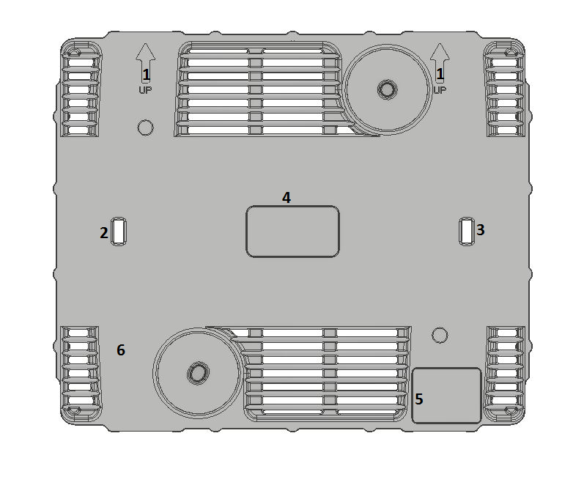
No. | Name | Address | DataType
1 |  | %DB460.DBW184 | Int
6 | Top_Colour | %DB460.DBW186 | Int
6 | Top_Gap | %DB460.DBW190 | Int
5 | Barcode | P#DB460.DBX0.0 | String[20]
6 | Number Code#1 | P#DB460.DBX22.0 | String[20]
6 | Number Code#2 | P#DB460.DBX44.0 | String[20]
4 | Contact_Value[1] | %DB460.DBD70 | Real
4 | Contact_Value[2] | %DB460.DBD74 | Real
4 | Contact_Value[3] | %DB460.DBD78 | Real
4 | Contact_Value[4] | %DB460.DBD82 | Real
4 | Contact_Value[5] | %DB460.DBD86 | Real
4 | Contact_Value[6] | %DB460.DBD90 | Real
4 | Contact_Value[7] | %DB460.DBD94 | Real
4 | Contact_Value[8] | %DB460.DBD98 | Real
4 | Contact_Value[9] | %DB460.DBD102 | Real
4 | Contact_Value[10] | %DB460.DBD106 | Real
4 | Contact_Value[11] | %DB460.DBD110 | Real
4 | Contact_Value[12] | %DB460.DBD114 | Real
4 | Contact_Value[13] | %DB460.DBD118 | Real
4 | Contact_Value[14] | %DB460.DBD122 | Real
4 | Contact_Value[15] | %DB460.DBD126 | Real
4 | Contact_Value[16] | %DB460.DBD130 | Real
4 | Contact_Value[17] | %DB460.DBD134 | Real
4 | Contact_Value[18] | %DB460.DBD138 | Real
4 | Contact_Value[19] | %DB460.DBD142 | Real
4 | Contact_Value[20] | %DB460.DBD146 | Real
2 | Distance_Value[1] | %DB460.DBD154 | Real
3 | Distance_Value[2] | %DB460.DBD158 | Real

Product Image
Screw 5
Screw 6

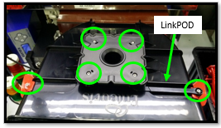
Screw 10
Screw 9

Screw 19
Screw 18

Screw 15
Screw 14

Screw 2
Screw 11
Screw 17
Screw 16

Screw 21
Screw 20

Screw 4
Screw 3
Screw 13
Screw 12
Screw 1

Screw 7 & 8 are on side handles on flip side

